Sheet1


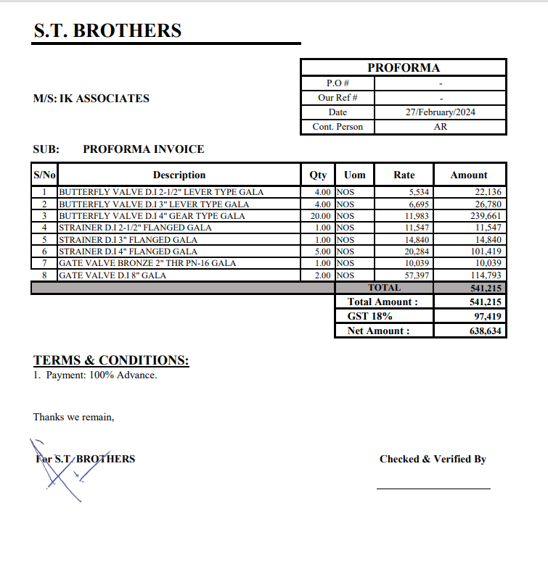

M/S ST Brothers |  |  |  |  | 27-Feb-24

PO # 1527
Att: Mr. Mustafa Majal

PURCHASE ORDER

Supply of Valves for the project (Meezan Bank Head Office)
S No. | D e s c r i p t i o n | Qty | Unit | Rate | Amount
 | Brand: GALA USA
1 | BUTTERFLY VALVE D.I 2-1/2" LEVER TYPE | 4 | Nos | 6,530 | 26,120
2 | BUTTERFLY VALVE D.I 3" LEVER TYPE | 4 | Nos | 7,900 | 31,600
3 | BUTTERFLY VALVE D.I 4" Gear Operated | 20 | Nos | 14,140 | 282,800
4 | STRAINER DI 2-1/2" FLANGED | 1 | Nos | 13,626 | 13,626
5 | STRAINER DI 3" FLANGED | 1 | Nos | 17,511 | 17,511
6 | STRAINER DI 4" FLANGED | 5 | Nos | 23,935 | 119,675
7 | GATE VALVE BRONZE 2" THR PN-16 | 1 | Nos | 11,846 | 11,846
8 | GATE VALVE D.I 8" FLANGED | 2 | Nos | 67,728 | 135,456
 |  | TOTAL: |  |  | 638,634

for PIONEER ENGINEERING SERVICES

